OilandGas- Raw Data
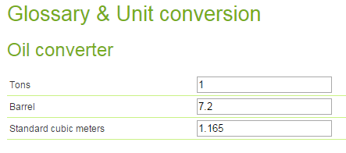
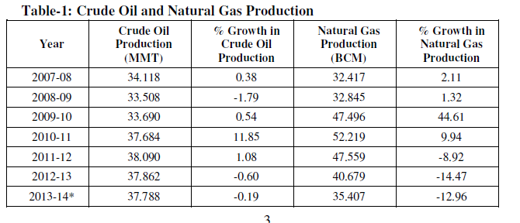
Oil |  |  |  |  |  |  |  |  | Refinery Capacity and Refinery Throughput
 |  |  |  |  |  |  |  |  |  |  |  |  |  |  |  | Number of Wells
 |  |  |  |  |  |  | Table-1: Crude Oil and Natural Gas Production
 |  |  |  |  |  |  | Year | Crude Oil Production (MMT) | % Growth | Natural Gas Production (BCM) | % Growth
 |  |  |  |  |  |  | 2007-08 | 34.12 | 0.38 | 32.42 | 2.11 | II.2 Exploratory & Development Drilling by Oil Companies
 |  |  |  |  |  |  | 2008-09 | 33.51 | -1.79 | 32.85 | 1.32 |  | Exploratory |  | Development |  | Total
 |  |  |  |  |  |  | 2009-10 | 33.69 | 0.54 | 47.50 | 44.61 | Year | Wells (No.s) | Metreage ('000') | Wells (No.s) | Metreage ('000') | Wells (No.s) | Metreage ('000')
 |  |  |  |  |  |  | 2010-11 | 37.68 | 11.86 | 52.22 | 9.94 | (A) Onshore
 |  |  |  |  |  |  | 2011-12 | 38.09 | 1.08 | 47.56 | -8.92 | 2004-05 | 115.00 | 279.00 | 205.00 | 438.00 | 320.00 | 717.00
 |  |  |  |  |  |  | 2012-2013 | 37.86 | -0.60 | 40.68 | -14.47 | 2005-06 | 141.00 | 366.00 | 157.00 | 340.00 | 298.00 | 706.00
 |  |  |  |  |  |  | 2013-2014* | 37.79 | -0.19 | 35.41 | -12.96 | 2006-07 | 110.00 | 259.00 | 175.00 | 384.00 | 285.00 | 643.00
 |  |  |  |  |  |  |  |  |  |  |  | 2007-08 | 133.00 | 339.00 | 205.00 | 423.00 | 338.00 | 762.00
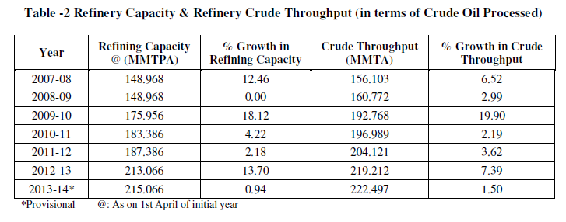
 |  |  |  |  |  |  | Table-2: Refinery Capacity & Refinery Crude Throughput (in terms of Crude Oil Processed) |  |  |  |  | 2008-09 | 164.00 | 407.00 | 228.00 | 412.00 | 392.00 | 819.00
 |  |  |  |  |  |  | Year | Refining Capacity @ (MMTPA) | % Growth in Refining Capacity | Crude Throughput (MMTA) | % Growth in Crude Throughput | 2009-10 | 161.00 | 399.00 | 307.00 | 585.00 | 468.00 | 984.00
 |  |  |  |  |  |  | 2007-08 | 148.97 | 12.46 | 156.10 | 6.52 | 2010-11 | 136.00 | 368.00 | 369.00 | 678.00 | 505.00 | 1046.00
 |  |  |  |  |  |  | 2008-09 | 148.97 | 0.00 | 160.77 | 2.99 | 2011-12* | 198.00 | 467.00 | 409.00 | 740.00 | 607.00 | 1207.00
 |  |  |  |  |  |  | 2009-10 | 175.96 | 18.12 | 192.77 | 19.90 | (B) Offshore
 |  |  |  |  |  |  | 2010-11 | 183.39 | 4.22 | 196.99 | 2.19 | 2004-05 | 50.00 | 153.00 | 57.00 | 167.00 | 107.00 | 320.00
 |  |  |  |  |  |  | 2011-12 | 187.39 | 2.18 | 204.12 | 3.62 | 2005-06 | 57.00 | 196.00 | 63.00 | 209.00 | 120.00 | 405.00
 |  |  |  |  |  |  | 2012-2013 | 213.07 | 13.70 | 219.21 | 7.39 | 2006-07 | 61.00 | 195.00 | 69.00 | 219.00 | 130.00 | 414.00
 |  |  |  |  |  |  | 2013-2014* | 215.07 | 0.94 | 222.50 | 1.50 | 2007-08 | 61.00 | 185.00 | 98.00 | 293.00 | 159.00 | 478.00
 |  |  |  |  |  |  | *Provisional @: As on 1st april of initial year |  |  |  |  | 2008-09 | 46.00 | 127.00 | 67.00 | 222.00 | 113.00 | 349.00
 |  |  |  |  |  |  |  |  |  |  |  | 2009-10 | 58.00 | 202.00 | 60.00 | 164.00 | 118.00 | 366.00
 |  |  |  |  |  |  |  |  |  |  |  | 2010-11 | 65.00 | 213.00 | 42.00 | 100.00 | 107.00 | 313.00
Gas Production from PPAC |  |  |  |  |  |  |  |  |  |  |  | 2011-12* | 87.00 | 295.00 | 62.00 | 129.00 | 149.00 | 424.00
 |  |  |  |  |  |  |  |  |  |  |  | Total (A+B)
(in MMSCM) | 2005-06 | 2006-07 | 2007-08 | 2008-09 | 2009-10 | 2010-11 | 2011-12 | 2012-13 | 2013-14 | 2014-15 |  | 2004-05 | 165.00 | 432.00 | 262.00 | 605.00 | 427.00 | 1037.00
ONGC+OIL |  |  |  |  |  |  |  |  |  |  |  | 2005-06 | 198.00 | 562.00 | 220.00 | 549.00 | 418.00 | 1111.00
Gross Production (GP) | 26401.00 | 25838.36 | 25555.97 | 25500.79 | 26160.36 | 25736.14 | 25946.09 | 26188.02 | 25909.84 | 24745.49 |  | 2006-07 | 171.00 | 454.00 | 244.00 | 603.00 | 415.00 | 1057.00
Net Production | 25656.00 | 25006.61 | 24701.57 | 24530.02 | 21816.89 | 24917.00 | 24993.35 | 25401.26 | 25241.81 | 23988.16 |  | 2007-08 | 194.00 | 524.00 | 303.00 | 716.00 | 497.00 | 1240.00
Private / JVCs |  |  |  |  |  |  |  |  |  |  |  | 2008-09 | 210.00 | 534.00 | 295.00 | 634.00 | 505.00 | 1168.00
Gross Production (GP) | 5801.00 | 5908.49 | 6861.00 | 7348.00 | 19359.72 | 26054.46 | 21608.96 | 14490.88 | 9497.09 | 8911.95 |  | 2009-10 | 219.00 | 601.00 | 367.00 | 749.00 | 586.00 | 1350.00
Net Production | 5669.00 | 5784.83 | 6777.00 | 7221.00 | 18371.89 | 25930.18 | 21459.99 | 14351.68 | 9332.25 | 8705.06 |  | 2010-11 | 201.00 | 581.00 | 411.00 | 778.00 | 612.00 | 1359.00
 |  |  |  |  |  |  |  |  |  |  |  | 2011-12* | 285.00 | 762.00 | 471.00 | 869.00 | 756.00 | 1631.00
TOTAL |  |  |  |  |  |  |  |  |  |  |  | Note:*: Provisional
Gross Production (GP) | 32202.00 | 31746.85 | 32416.97 | 32848.79 | 47512.00 | 52221.40 | 47555.05 | 40678.90 | 35406.93 | 33657.44 |  | Source: Oil & Natural Gas Corpn. Ltd. , Oil India Ltd. and DGH
Net Production 1 | 31325.00 | 30791.44 | 31478.57 | 31751.02 | 46485.88 | 51229.29 | 46453.33 | 39752.94 | 34574.06 | 32693.22

